Dashboard
HR ANALYTICS DASHBOARD
Count of Employee
1470
Attrition
237
Attrition Rate
16.1%
Avg Age
37
Avg Salary
6.5K
Avg Years
7

Attrition By Age Group
 | Total
18-25 | 44
26-35 | 116
36-45 | 43
46-55 | 26
55+ | 8
Attrition By Education
 | Total
Human Resources | 7
Life Sciences | 89
Marketing | 35
Medical | 63
Other | 11
Technical Degree | 32
Attrition By Gender
 | Total
Female | 87
Male | 150
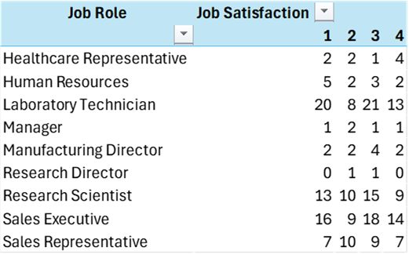

Attrition By Job Role
 | Total
Human Resources | 12
Sales Representative | 33
Research Scientist | 47
Sales Executive | 57
Laboratory Technician | 62
Attrition By Age
 | Total
18 | 4
19 | 6
20 | 6
21 | 6
22 | 5
23 | 4
24 | 7
25 | 6
26 | 12
27 | 3
28 | 14
29 | 18
30 | 9
31 | 18
32 | 11
33 | 12
34 | 9
35 | 10
36 | 6
37 | 6
38 | 2
39 | 6
40 | 5
41 | 6
42 | 2
43 | 2
44 | 6
45 | 2
46 | 4
47 | 3
48 | 2
49 | 2
50 | 5
51 | 2
52 | 3
53 | 2
54 | 0
55 | 3
56 | 3
57 | 0
58 | 5
59 | 0
60 | 0
Attrition By Salary
 | Total
Upto 5k | 163
5k-10k | 49
15k+ | 5
10k-15k | 20

Attrition By Education
Attrition By Education
Row Labels | Sum of AttrionCount
Human Resources | 7
Life Sciences | 89
Marketing | 35
Medical | 63
Other | 11
Technical Degree | 32
Grand Total | 237

Attrition By Age
Attrition By Age
Row Labels | Sum of AttrionCount
18-25 | 44
26-35 | 116
36-45 | 43
46-55 | 26
55+ | 8
Grand Total | 237

Attrition By Salary
Attrition By Salary
Row Labels | Sum of AttrionCount
Upto 5k | 163
5k-10k | 49
15k+ | 5
10k-15k | 20

By Gender
Attrition BY Gender
Row Labels | Sum of AttrionCount
Female | 87
Male | 150
Grand Total | 237

By Age
Attrition By Age
Row Labels | Sum of AttrionCount
18 | 4
19 | 6
20 | 6
21 | 6
22 | 5
23 | 4
24 | 7
25 | 6
26 | 12
27 | 3
28 | 14
29 | 18
30 | 9
31 | 18
32 | 11
33 | 12
34 | 9
35 | 10
36 | 6
37 | 6
38 | 2
39 | 6
40 | 5
41 | 6
42 | 2
43 | 2
44 | 6
45 | 2
46 | 4
47 | 3
48 | 2
49 | 2
50 | 5
51 | 2
52 | 3
53 | 2
54 | 0
55 | 3
56 | 3
57 | 0
58 | 5
59 | 0
60 | 0
Grand Total | 237

job role
Attrition By Job Role
Row Labels | Sum of AttrionCount
Human Resources | 12
Sales Representative | 33
Research Scientist | 47
Sales Executive | 57
Laboratory Technician | 62

